HDFCRETHDP

HDFC Retirement Savings Fund - Hybrid-Debt Plan ( An open ended retirement solution oriented scheme having a lock-in of 5 years or till retirement age whichever is earlier) |  |  |  |  |  |  |  |  |  | Income | Hybrid
Portfolio as on 31-May-2025

 | ISIN | Coupon (%) | Name Of the Instrument | Industry+ /Rating | Quantity | Market/ Fair Value (Rs. in Lacs.) | % to NAV | Yield | ~YTC (AT1/Tier 2 bonds) | Derivative | Unhedged
 | EQUITY & EQUITY RELATED
 | (a) Listed / awaiting listing on Stock Exchanges
 | Equity
| | INE467B01029 |  | Tata Consultancy Services Ltd. | IT - Software | 32,977 | 1,142.13 | 7.02 |  |  | 6.54 | 0.46
| | INE018A01030 |  | Larsen and Toubro Ltd. | Construction | 28,700 | 1,054.75 | 6.48 |  |  | 5.66 | 0.79
| | INE002A01018 |  | Reliance Industries Ltd. | Petroleum Products | 66,500 | 944.90 | 5.81 |  |  | 4.79 | 1.05
 | INE090A01021 |  | ICICI Bank Ltd. | Banks | 30,000 | 433.74 | 2.67 |  |  | 0.00 | 2.67
 | INE040A01034 |  | HDFC Bank Ltd.£ | Banks | 21,900 | 425.93 | 2.62 |  |  | 0.00 | 2.62
 | INE062A01020 |  | State Bank of India | Banks | 19,500 | 158.40 | 0.97 |  |  | 0.00 | 0.97
 | INE238A01034 |  | Axis Bank Ltd. | Banks | 13,000 | 154.99 | 0.95 |  |  | 0.00 | 0.95
 | INE397D01024 |  | Bharti Airtel Ltd. | Telecom - Services | 8,000 | 148.50 | 0.91 |  |  | 0.00 | 0.91
 | INE009A01021 |  | Infosys Limited | IT - Software | 9,000 | 140.64 | 0.86 |  |  | 0.00 | 0.86
 | INE154A01025 |  | ITC LIMITED | Diversified FMCG | 30,000 | 125.42 | 0.77 |  |  | 0.00 | 0.77
 | INE585B01010 |  | Maruti Suzuki India Limited | Automobiles | 1,000 | 123.19 | 0.76 |  |  | 0.00 | 0.76
 | INE765G01017 |  | ICICI Lombard General Insurance Co | Insurance | 6,000 | 112.52 | 0.69 |  |  | 0.00 | 0.69
 | INE688A01022 |  | Transport Corporation of India Ltd. | Transport Services | 10,000 | 112.37 | 0.69 |  |  | 0.00 | 0.69
 | INE123W01016 |  | SBI Life Insurance Company Ltd. | Insurance | 5,000 | 90.61 | 0.56 |  |  | 0.00 | 0.56
 | INE386A01015 |  | Vesuvius India Ltd. | Industrial Products | 1,500 | 88.97 | 0.55 |  |  | 0.00 | 0.55
 | INE066F01020 |  | Hindustan Aeronautics Limited | Aerospace & Defense | 1,500 | 74.61 | 0.46 |  |  | 0.00 | 0.46
 | INE752E01010 |  | Power Grid Corporation of India Ltd. | Power | 25,000 | 72.44 | 0.45 |  |  | 0.00 | 0.45
 | INE246F01010 |  | Gujarat State Petronet Ltd. | Gas | 20,000 | 65.76 | 0.40 |  |  | 0.00 | 0.40
 | INE462A01022 |  | Bayer Cropscience Ltd | Fertilizers & Agrochemicals | 1,100 | 62.46 | 0.38 |  |  | 0.00 | 0.38
 | INE094A01015 |  | Hindustan Petroleum Corp. Ltd. | Petroleum Products | 15,000 | 61.66 | 0.38 |  |  | 0.00 | 0.38
 | INE225D01027 |  | Symphony Ltd. | Consumer Durables | 4,921 | 59.99 | 0.37 |  |  | 0.00 | 0.37
 | INE854D01024 |  | United Spirits Limited | Beverages | 4,000 | 60.80 | 0.37 |  |  | 0.00 | 0.37
 | INE119A01028 |  | Balrampur Chini Mills Ltd. | Agricultural Food & Other Products | 10,000 | 59.03 | 0.36 |  |  | 0.00 | 0.36
 | INE491A01021 |  | City Union Bank Ltd. | Banks | 30,000 | 58.71 | 0.36 |  |  | 0.00 | 0.36
 | INE540H01012 |  | Voltamp Transformers Ltd. | Electrical Equipment | 700 | 58.01 | 0.36 |  |  | 0.00 | 0.36
 | INE220B01022 |  | Kalpataru Projects International Ltd | Construction | 5,015 | 57.11 | 0.35 |  |  | 0.00 | 0.35
 | INE901L01018 |  | Alembic Pharmaceuticals Limited | Pharmaceuticals & Biotechnology | 5,000 | 50.90 | 0.31 |  |  | 0.00 | 0.31
 | INE235A01022 |  | Finolex Cables Ltd. | Industrial Products | 5,000 | 48.69 | 0.30 |  |  | 0.00 | 0.30
 | INE517F01014 |  | Gujarat Pipavav Port Ltd. | Transport Infrastructure | 30,000 | 46.85 | 0.29 |  |  | 0.00 | 0.29
 | INE162B01018 |  | Lumax Industries Ltd | Auto Components | 1,500 | 44.49 | 0.27 |  |  | 0.00 | 0.27
 | INE825A01020 |  | Vardhman Textiles Ltd. | Textiles & Apparels | 8,500 | 41.80 | 0.26 |  |  | 0.00 | 0.26
 | INE079J01017 |  | Gateway Distriparks Limited | Transport Services | 60,000 | 38.24 | 0.23 |  |  | 0.00 | 0.23
 | INE533A01012 |  | Goodyear India Ltd. | Auto Components | 4,000 | 37.57 | 0.23 |  |  | 0.00 | 0.23
 | INE070I01018 |  | Insecticides (India) Ltd. | Fertilizers & Agrochemicals | 4,200 | 35.76 | 0.22 |  |  | 0.00 | 0.22
 | INE294Z01018 |  | The Anup Engineering Limited | Industrial Manufacturing | 1,300 | 36.12 | 0.22 |  |  | 0.00 | 0.22
 | INE089A01031 |  | Dr Reddys Laboratories Ltd. | Pharmaceuticals & Biotechnology | 2,000 | 25.02 | 0.15 |  |  | 0.00 | 0.15
 | INE191H01014 |  | PVR LIMITED | Entertainment | 2,000 | 19.71 | 0.12 |  |  | 0.00 | 0.12
 | INE0PK601023 |  | OCCL Limited | Chemicals & Petrochemicals | 13,000 | 12.27 | 0.08 |  |  | 0.00 | 0.08
 | INE772T01024 |  | Popular Vehicles and Services Limited | Automobiles | 10,050 | 12.74 | 0.08 |  |  | 0.00 | 0.08
 | INE379A01028 |  | ITC Hotels Limited | Leisure Services | 3,000 | 6.49 | 0.04 |  |  | 0.00 | 0.04
 | Sub Total |  |  |  |  | 6,404.29 | 39.35
 | Total |  |  |  |  | 6,404.29 | 39.35
 | DEBT INSTRUMENTS
 | (a) Listed / awaiting listing on Stock Exchanges
 | Government Securities (Central/State)
| | IN0020200252 | 6.67 | 6.67% GOI MAT 171250 | Sovereign | 1,500,000 | 1,488.38 | 9.15 | 6.8470
| | IN0020200096 | 6.19 | 6.19% GOI MAT 160934 | Sovereign | 1,000,000 | 993.06 | 6.10 | 6.3870
| | IN0020190065 | 7.57 | 7.57% GOI MAT 170633 | Sovereign | 750,000 | 811.47 | 4.99 | 6.3549
| | IN0020110055 | 8.97 | 8.97% GOI MAT 051230^ | Sovereign | 550,000 | 626.38 | 3.85 | 6.0643
| | IN0020040039 | 7.5 | 7.5% GOI MAT 100834^ | Sovereign | 500,000 | 541.75 | 3.33 | 6.3869
 | IN0020220029 | 7.54 | 7.54% GOI MAT 230536 | Sovereign | 15,000 | 16.41 | 0.10 | 6.4348
 | Non-Convertible debentures / Bonds
| | INE950O07396 | 8.35 | Mahindra Rural Housing Finance Ltd^ | IND - AA+ | 100 | 1,035.52 | 6.36 | 7.6850
| | INE909H08337 | 7.7505 | TMF Holdings Ltd. (Perpetual)^ | CRISIL - AA+ | 100 | 997.96 | 6.13 | 7.9150
 | INE053F07AZ4 | 8.4 | Indian Railways Finance Corp. Ltd.^ | CRISIL - AAA | 50 | 528.51 | 3.25 | 6.5650
 | INE040A08864 | 6.83 | HDFC Bank Ltd.£^ | CRISIL - AAA | 50 | 496.00 | 3.05 | 6.9950
 | INE134E08JX9 | 9.1 | Power Finance Corporation Ltd.^ | CRISIL - AAA | 10 | 107.76 | 0.66 | 6.7100
 | Sub Total |  |  |  |  | 7,643.20 | 46.97
 | Total |  |  |  |  | 7,643.20 | 46.97
 | MONEY MARKET INSTRUMENTS
 | TREPS - Tri-party Repo
 |  |  | TREPS - Tri-party Repo |  |  | 1,555.16 | 9.56 | 5.8521
 | Sub Total |  |  |  |  | 1,555.16 | 9.56
 | Total |  |  |  |  | 1,555.16 | 9.56
 | OTHERS
 | Net Current Assets
 |  |  | Net Current Assets |  |  | 671.25 | 4.12
 | Sub Total |  |  |  |  | 671.25 | 4.12
 | Total |  |  |  |  | 671.25 | 4.12

 | Grand Total |  |  |  |  | 16,273.90 | 100.00
| | Top Ten Holdings
 | + Industry Classification as recommended by AMFI
 | £ - Sponsor Company
 | ** Thinly Traded/ Non-Traded Securities (Equity) as on May 30, 2025
 | ^ Non-Traded Securities (Debt) as on May 30, 2025
 | # Non Sensex Scrips
 | @ Less than 0.01%.
 | ~ YTC i.e. Yield to Call is disclosed at security level only for Additional Tier 1 Bonds and Tier 2 Bonds issued by Banks as per AMFI Best Practices Notification 135/BP/91/2020-21 read with SEBI circular SEBI/HO/IMD/DF4/CIR/P/2021/034

 | Portfolio Classification by Asset Class(%)
 | Equity |  | 22.36
 | Total Hedged Exposure |  | 16.99
 | G-Sec |  | 27.52
 | Credit Exposure |  | 19.45
 | Cash, Cash Equivalents and Net Current Assets |  | 13.68
 | Portfolio Classification by Rating Class(%)
 | Equity |  | 39.35
 | Sovereign |  | 27.52
 | AAA/AAA(SO)/A1+/A1+(SO) & Equivalent |  | 6.96
 | AA+ |  | 12.49
 | Cash, Cash Equivalents and Net Current Assets |  | 13.68

 | Notes :
 | 1) NAV History
 | NAVs per unit (Rs.) | May 30, 2025 | April 30, 2025
 | Growth Option | 21.5972 | 21.2977
 | Growth Option - Direct Plan | 24.3272 | 23.9677

 | Dividend History - Dividend declared during the month ended May 31, 2025 : Nil

 | Bonus History - Bonus declared during the month ended May 31, 2025: Nil

 | 2) Total below investment grade or default provided for and its percentage to NAV : Nil
 | 3) Total investments in Foreign Securities / Overseas ETFs / ADRs / GDRs : Nil
 | 4) Repo in Corporate Debt : Nil
 | 5) Total outstanding exposure in Derivative Instruments as on May 31, 2025 : Rs.(2764.43)Lacs
 | 6) Annualised Portfolio YTM : 6.68%
 | 7) Macaulay Duration : 1799.27 Days
 | 8) Residual Maturity (Average Portfolio Maturity-other than equity investments) : 2884 Days
 | 9) IDCW stands for Income Distribution cum Capital Withdrawal
 | 10) Riskometer based on Scheme Portfolio and Portfolio Benchmark "NIFTY 50 Hybrid Composite Debt 15:85 Index" as on May 31, 2025

 | Scheme Riskometer:
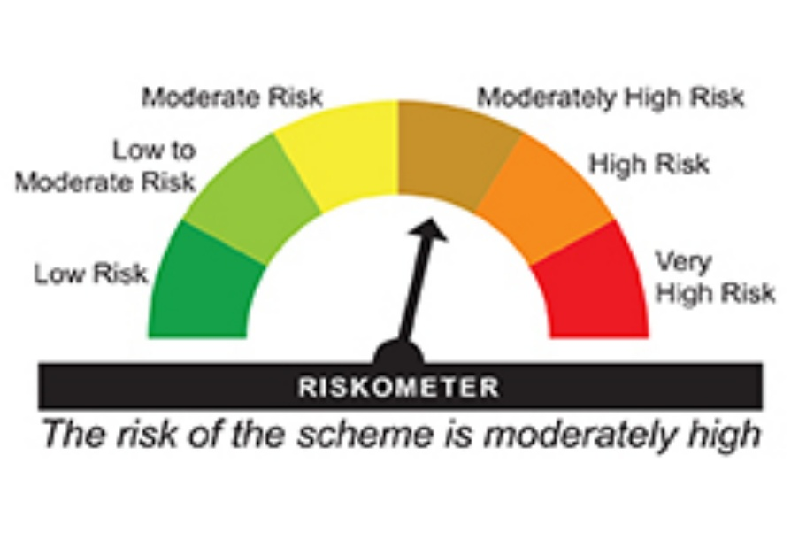

 | Benchmark Riskometer:

